Instruction
A Checklist to 7 Steps to Data Protection Essentials (DPE) | [last updated: May 2026]
A. Overview
This checklist serves as a comprehensive guide to help organisations implement basic Data Protection and Cybersecurity practices to mitigate against common data breaches.

B. How to use this Checklist
The Checklist consists of a 7-Step process to implement basic Data Protection and Cybersecurity practices based on the Data Protection Essentials ("DPE") framework. The DPE framework was developed by IMDA, in consultation with the Cyber Security Agency of Singapore (CSA) and Personal Data Protection Commission (PDPC), and incorporates the full scope of CSA's Cyber Essentials. The scope of work for Steps 1 to 6 can be found in the "One-time Implementation" worksheet while Step 7 is detailed in the "Regular Review" worksheet.

Step 1: Register your DPO with ACRA/PDPC
Step 2: Take inventory of your organisations' assets
Step 3: Establish your organisation's data protection and security policies
Step 4: Develop an incident response and data breach management plan
Step 5: Complete data protection and cyber security training for all employees
Step 6: Implement data protection and cybersecurity measures
Step 7: Conduct regular review of data protection and security practices

The Checklist comprises of the following fields: (i) Measure - describes the data protection and cybersecurity practices (ii) Implementation Action - describes concrete actions to take to meet the measure (iii) Suggested completion evidence - describes artefacts to demonstrate completion of the action (iv) Implementation Status - describes if the measure is implemented (v) Remarks - to capture additional information/comments related to the Measure/Implementation Action (vi) Resources/Guidelines - describes reference materials to help organisations implement the actions (vii) Data Protection / Cybersecurity - describe the specific practice of the Implementation Action

Do you Know? - Implementation Actions denoted by the word “shall” need to be implemented in the organisation to meet the DPE framework. - Implementation Actions denoted by the use of the word “should” are recommendations that organisations are encouraged to implement (highlighted in grey).

C. Implementation Status Dashboard ("Result" worksheet)
This worksheet will compute the results of your implementation and offer a visual representation to track progress within an organisation.

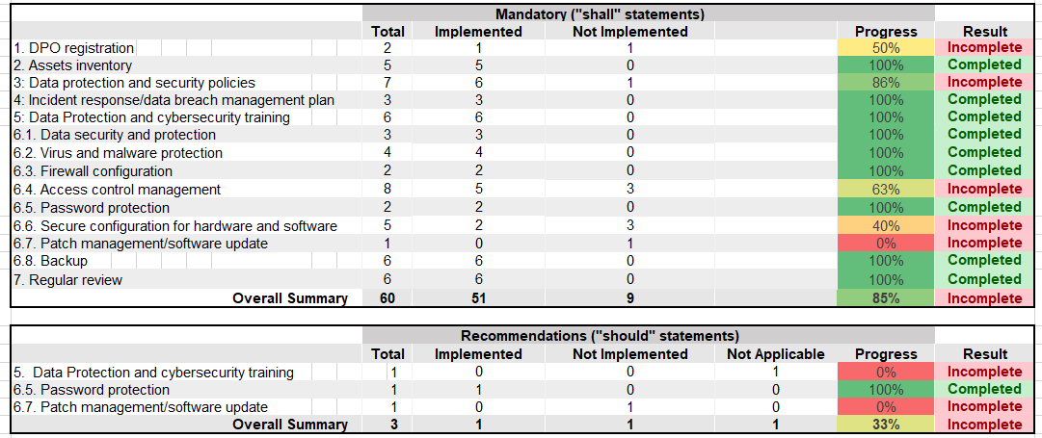 Example:

D. Pledge ("Pledge" worksheet)
Congratulations on the successful implementation of the Data Protection Essentials framework! Organisations can make use of the Pledge to demonstrate it's commitment to data protection and cybersecurity, setting clear expectation that it is a priority and encourages everyone to work towards maintaining the Data Protection Essentials framework.

Do You Know? In the event of a data breach, the PDPC may consider an organisation's implementation of the DPE framework favourably in deciding an enforcement outcome. Organsiations are strongly encouraged to maintain proper documentation (as described in "Suggestion completion evidence") to demonstrate accountable practices to the PDPC.

Result
7 Steps to Data Protection Essentials - Results

These are the results of your implementation:

 |  |  | Mandatory ("shall" statements)
 |  |  | Total |  | Implemented | Not Implemented |  | Progress | Result
 | 1. DPO registration |  | 2 |  | 0 | 0 |  | 0% | Incomplete
 | 2. Assets inventory |  | 5 |  | 0 | 0 |  | 0% | Incomplete
 | 3: Data protection and security policies |  | 7 |  | 0 | 0 |  | 0% | Incomplete
 | 4: Incident response/data breach management plan |  | 3 |  | 0 | 0 |  | 0% | Incomplete
 | 5: Data Protection and cybersecurity training |  | 6 |  | 0 | 0 |  | 0% | Incomplete
 | 6.1. Data security and protection |  | 3 |  | 0 | 0 |  | 0% | Incomplete
 | 6.2. Virus and malware protection |  | 4 |  | 0 | 0 |  | 0% | Incomplete
 | 6.3. Firewall configuration |  | 2 |  | 0 | 0 |  | 0% | Incomplete
 | 6.4. Access control management |  | 8 |  | 0 | 0 |  | 0% | Incomplete
 | 6.5. Password protection |  | 2 |  | 0 | 0 |  | 0% | Incomplete
 | 6.6. Secure configuration for hardware and software |  | 5 |  | 0 | 0 |  | 0% | Incomplete
 | 6.7. Patch management/software update |  | 1 |  | 0 | 0 |  | 0% | Incomplete
 | 6.8. Backup |  | 6 |  | 0 | 0 |  | 0% | Incomplete
 | 7. Regular review |  | 6 |  | 0 | 0 |  | 0% | Incomplete
 |  | Overall Summary | 60 |  |  |  |  | 0% | Incomplete

 | 0 | 0 | 0
 | 0 | 0 | 0
 | 0 | 0 | 0
 | 0 | 0 | 0
 | 0 | 0 | 0
 | 0 | 0 | 0
 | 0 | 0 | 0
 | 0 | 0 | 0
 | 0 | 0 | 0
 | 0 | 0 | 0
 |  |  | Recommendations ("should" statements)
 |  |  | Total |  | Implemented | Not Implemented | Not Applicable | Progress | Result
 | 5. Data Protection and cybersecurity training |  |  | 1 | 0 | 0 | 0 | 0% | Incomplete
 | 6.5. Password protection |  |  | 1 | 0 | 0 | 0 | 0% | Incomplete
 | 6.7. Patch management/software update |  | 1 |  | 0 | 0 | 0 | 0% | Incomplete
 |  | Overall Summary | 3 |  |  |  |  | 0% | Incomplete

