General Instructions
 | E-Invoicing Benefits Calculator
 | Preface
 | This is a planning tool designed to help enterprises estimate the amount financial savings that can be derived from participating in the national e-invoicing initiative
 | The broad benefits are shown in the chart.
 | 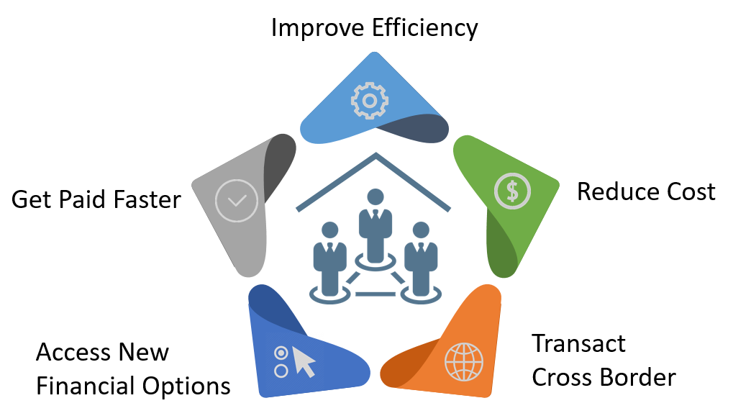

 | Instruction for Use

a) | Fill in the fields marked by yellow colored cells.
b) | The estimates are based on several parameters with recommended value gathered from IMDA's study. However, each enterprise's situation is different. You can tweak the value to suit your needs.
c) | You can either use the "Combined Estimate" worksheet or the combination of Inbound and Outbound Only worksheets, whichever is easier for you to make you estimates.
d) | The worksheets are protected to make editing easier. Should you want to modify the worksheet, you can unprotect the worksheets using the password "Invoice2019"

 | Version
 | 1.1

